Key
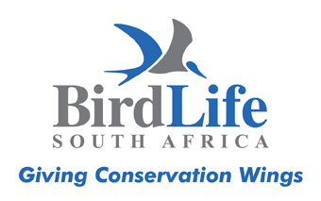 BirdLife South Africa Checklist of Birds in South Africa 2025

Key to Status Codes

Red Data (RD); Regional*, Global | Status in South Africa (S) | Endemism in South Africa (E)
CR = Critically Endangered | V** = vagrant | Endemism in South Africa (E) (not southern Africa as in field guides)
EN = Endangered | I = introduced
VU = Vulnerable |  | E = endemic
NT = Near Threatened
LC = Least Concern |  | SLE = endemic to South Africa, Lesotho and eSwatini
EX = Extinct (regionally) |  | NE = near endemic (i.e. ~70% or more of population in RSA)
DD= Data Deficient |  | BNE = breeding near endemic
NR= Not Recognised by BirdLife International |  | SLE NE = near endemic to South Africa, Lesotho and eSwatini
NA = Not Applicable (vagrant status/peripheral distribution to region)
§ = Refer to footnote

*The 2025 Red Data Book of Birds of South Africa, Lesotho and Swaziland
** Please report to BirdLife South Africa National Rarities Commitee (rarities@birdlife.org.za)

